Sheet1
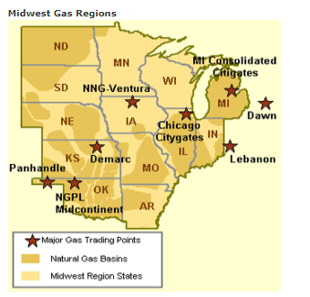
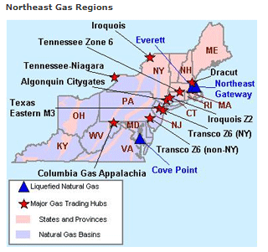
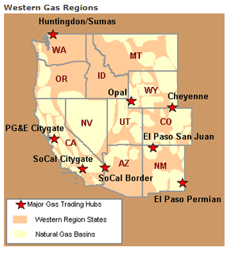
Plant state abbreviation | Gas_Hubs
AK | NA
AL | Transco 85
AR | Carthage
AZ | Socal order
CA | Socal City Gate/ PG&E Gate
CO | Cheyenne
CT | Algonquin
DE | Transco Zone 6 NY
FL | Florida Gas Transmission Zone 3
GA | Transco 85
HI | NA
IA | NNG Ventura
ID | Opal
IL | Chicago City Gate
IN | Lebanon
KS | Demarc
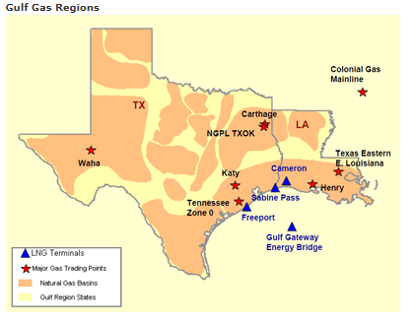
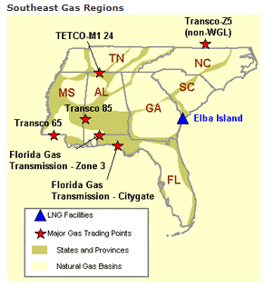
KY | Lebanon
LA | Henry Hub
MA | Algonquin
MD | Transco Zone 6 Non NY
ME | Algonquin
MI | MI Consolidated CityGates
MN | NNG Ventura
MO | Demarc
MS | Transco 85
MT | Opal
NC | Transco Zone 5
ND | NNG Ventura
NE | Demarc
NH | Algonquin
NJ | Transco Zone 6 Non NY
NM | San Juan
NV | SocalBorder
NY | Transco Zone 6 NY
OH | Lebanon
OK | NGPL MidContinent | http://gaffney-cline-focus.com/evolving-natural-gas-paradigms-risks-and-opportunities-for-industry-partici
OR | Huntington Sumas
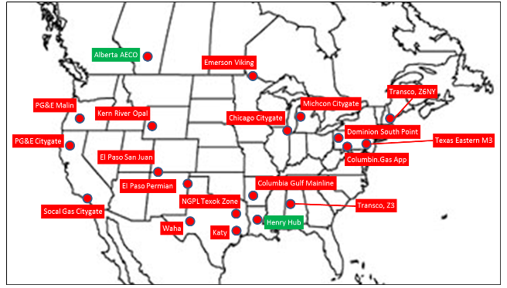
PA | Dominion South Point
RI | Algonquin
SC | Transco Zone 5
SD | NG Ventura
TN | TETCO M1-24
TX | Carthage
UT | Opal
VA | Transco Zone 6 Non NY
WA | Huntington Sumas
WI | NNG Ventura
WV | Columbia Gas
WY | Cheyenne

